Report Snapshot
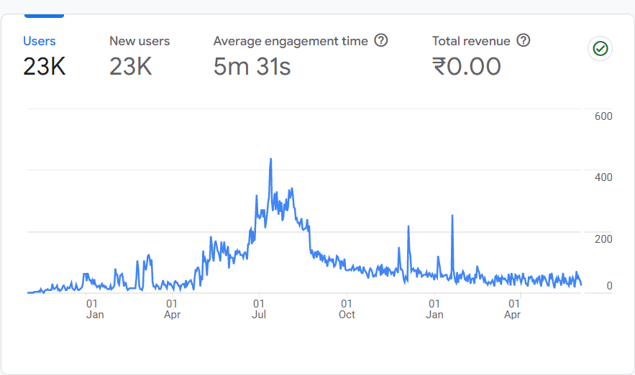

User Acquisition
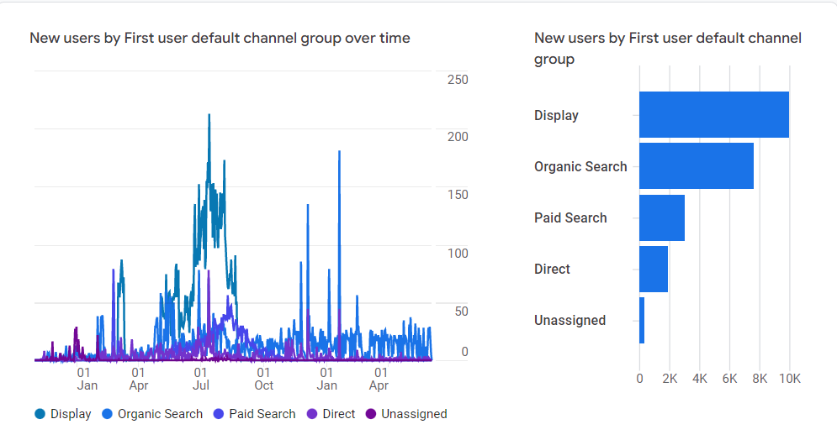
First user default channel group | New users | Engaged sessions | Engagement rate | Engaged sessions per user | Average engagement time | Event count | Conversions | Total revenue
Display | 9957 | 12008 | 0.544457 | 1.206107 | 58.86209 | 204820 | 37434 | 0
Organic Search | 7652 | 18141 | 0.81368 | 2.367041 | 534.3128 | 770710 | 109801 | 0
Paid Search | 3025 | 4408 | 0.474284 | 1.458154 | 102.2378 | 81997 | 14770 | 0
Direct | 1903 | 4975 | 0.318808 | 2.261364 | 1128.881 | 227434 | 31093 | 0
Unassigned | 325 | 1619 | 0.813159 | 4.981538 | 798.3415 | 33320 | 789 | 0
Organic Social | 10 | 13 | 0.722222 | 1.3 | 145.3 | 248 | 27 | 0

Traffic Aquisition
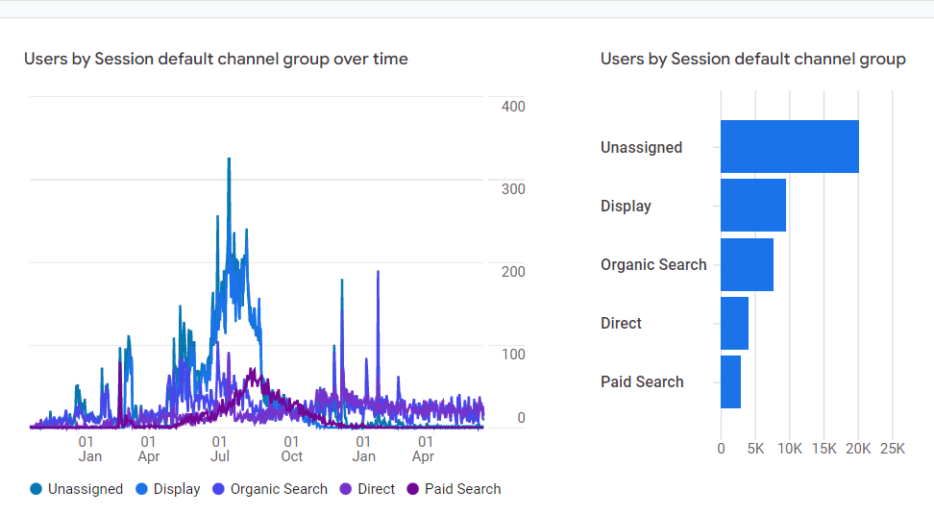
Session default channel group | Users | Sessions | Engaged sessions | Average engagement time per session | Engaged sessions per user | Events per session | Engagement rate | Event count | Conversions | Total revenue
Unassigned | 20263 | 13448 | 1481 | 34.11704 | 0.073089 | 18.02313 | 0.110128 | 242375 | 114161 | 0
Display | 9613 | 18292 | 10613 | 28.52198 | 1.104026 | 9.06932 | 0.580199 | 165896 | 20031 | 0
Organic Search | 7689 | 21241 | 17814 | 195.9434 | 2.316816 | 29.30229 | 0.838661 | 622410 | 33612 | 0
Direct | 4042 | 13220 | 7649 | 177.1706 | 1.89238 | 17.13585 | 0.578593 | 226536 | 18496 | 0
Paid Search | 2909 | 6788 | 3452 | 36.65321 | 1.186662 | 8.989982 | 0.508544 | 61024 | 7595 | 0
Organic Social | 11 | 16 | 12 | 60.0625 | 1.090909 | 18 | 0.75 | 288 | 19 | 0

Conversion Report
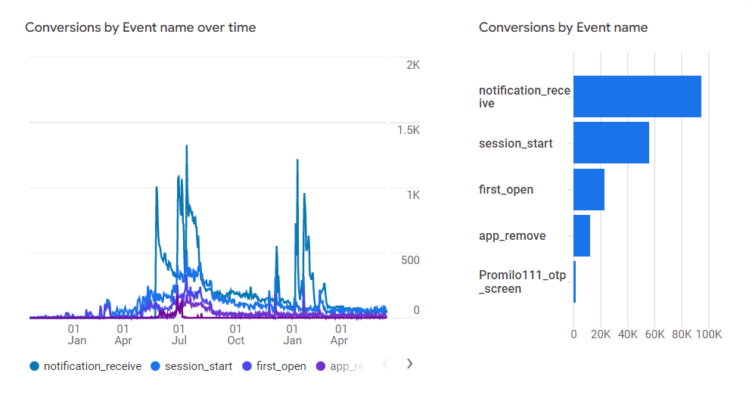
Event name | Conversions | Total users | Total revenue
notification_receive | 94890 | 1311 | 0
session_start | 56203 | 21674 | 0
first_open | 22872 | 23059 | 0
app_remove | 12468 | 12538 | 0
Promilo111_otp_screen | 1738 | 855 | 0
Promilo111_Event_Enter_Feed_Page | 1594 | 969 | 0
Promilo106_login | 1458 | 603 | 0
Promilo106_feeds | 683 | 185 | 0
os_update | 672 | 634 | 0
notification_open | 569 | 308 | 0
Promilo106_feedDetails | 195 | 67 | 0
Promilo106_my_meetings_screen | 136 | 20 | 0
Promilo106_otp_screen | 128 | 90 | 0
Promilo106_resume_builder | 127 | 66 | 0
Promilo106_my_interests_screen | 117 | 23 | 0
Promilo106_dashboard | 23 | 16 | 0
Promilo106_my_profile_learners | 21 | 10 | 0
Promilo106_campaign_interest | 20 | 10 | 0

Pages & Screens Report
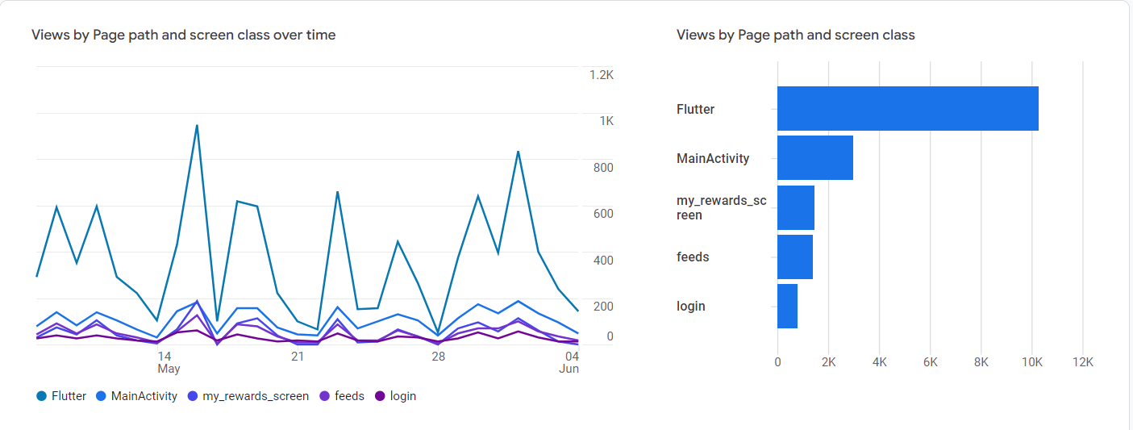
Page path and screen class | Views | Users | Views per user | Average engagement time | Event count | Conversions | Total revenue
Flutter | 156708 | 8726 | 17.95874 | 83.41222 | 203901 | 328 | 0
MainActivity | 44326 | 8978 | 4.93718 | 78.29216 | 53374 | 101 | 0
feeds | 18514 | 4358 | 4.248279 | 61.60005 | 37628 | 253 | 0
login | 16883 | 7291 | 2.315595 | 34.88177 | 40772 | 435 | 0
my_rewards_screen | 15381 | 2045 | 7.521271 | 94.17995 | 32910 | 5 | 0
storyboard | 8189 | 5244 | 1.561594 | 5.341152 | 15676 | 115 | 0
SignInHubActivity | 6650 | 3778 | 1.760191 | 0.003176 | 6653 | 0 | 0
registration_screen | 5501 | 3566 | 1.542625 | 45.07572 | 13496 | 136 | 0
feedDetails | 3971 | 1047 | 3.792741 | 69.31614 | 7820 | 84 | 0
otp_screen | 3291 | 1678 | 1.961263 | 46.86472 | 10833 | 32 | 0
video_viewer_screem | 2880 | 1521 | 1.893491 | 28.12097 | 5256 | 31 | 0
FacebookActivity | 2299 | 675 | 3.405926 | 0.524444 | 2310 | 0 | 0
resume_builder | 1781 | 828 | 2.150966 | 118.0435 | 3776 | 17 | 0
CustomTabMainActivity | 1301 | 193 | 6.740933 | 0.005181 | 1302 | 0 | 0
notification_store | 1062 | 648 | 1.638889 | 10.13735 | 1971 | 0 | 0
dashboard | 1058 | 411 | 2.574209 | 38.11436 | 2279 | 4 | 0
myProfile_mediator | 1056 | 600 | 1.76 | 57.02 | 2276 | 4 | 0
WebViewActivity | 878 | 490 | 1.791837 | 105.8061 | 1321 | 2 | 0
video_tutorial_view | 835 | 722 | 1.15651 | 36.30332 | 1662 | 2 | 0
my_profile_learners | 804 | 321 | 2.504673 | 127.7227 | 1856 | 4 | 0
FlutterViewController | 758 | 155 | 4.890323 | 15.62581 | 1060 | 18 | 0
my_meetings_screen | 715 | 273 | 2.619048 | 45.76557 | 1480 | 15 | 0
my_interests_screen | 688 | 375 | 1.834667 | 29.18933 | 1340 | 7 | 0
discovery_screen | 486 | 225 | 2.16 | 70.23556 | 890 | 7 | 0
calculator_intro | 388 | 281 | 1.380783 | 6.391459 | 680 | 0 | 0
campaign_interest | 244 | 58 | 4.206897 | 42.37931 | 459 | 0 | 0
calculator_one | 199 | 151 | 1.317881 | 41.01325 | 387 | 0 | 0
UIActivityViewSuccessController | 99 | 18 | 5.5 | 0.111111 | 101 | 0 | 0
UIActivityContentViewController | 97 | 17 | 5.705882 | 32.41176 | 177 | 0 | 0
calculator_two | 88 | 73 | 1.205479 | 9.287671 | 158 | 0 | 0
SFAuthenticationViewController | 76 | 45 | 1.688889 | 12.2 | 161 | 0 | 0
my_profile_professional | 67 | 23 | 2.913043 | 184.087 | 143 | 0 | 0
CustomTabActivity | 35 | 24 | 1.458333 | 1.666667 | 36 | 0 | 0
SFSafariViewController | 34 | 21 | 1.619048 | 46.85714 | 74 | 0 | 0
CheckoutActivity | 24 | 3 | 8 | 304.3333 | 26 | 0 | 0
my_profile_others | 20 | 12 | 1.666667 | 123.8333 | 49 | 1 | 0
PHPickerViewController | 13 | 10 | 1.3 | 9.5 | 27 | 0 | 0
SLComposeViewController | 6 | 4 | 1.5 | 15.25 | 13 | 0 | 0
campaign_meeting | 4 | 3 | 1.333333 | 14.33333 | 7 | 0 | 0
CAMImagePickerCameraViewController | 2 | 2 | 1 | 7.5 | 4 | 0 | 0
UIAlertController | 2 | 2 | 1 | 1 | 4 | 0 | 0
(not set) | 0 | 9145 | 0 | 0.001093 | 109189 | 88518 | 0

Retention Overview
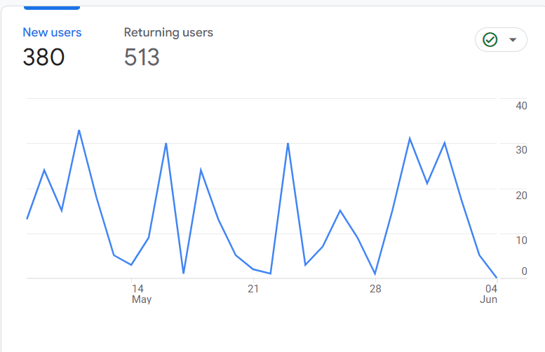

User Engagement Overview
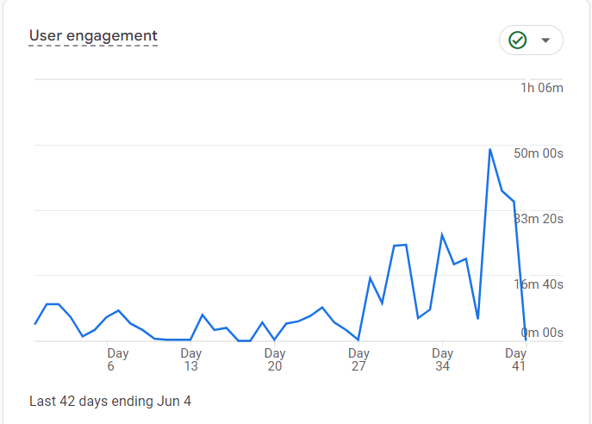

Sheet1
Row Labels | Sum of Sessions | Sum of Engaged sessions
App Instal-6to10NC-States-A200Inst-07Jul22 | 432 | 296
App Install for April -- Shahid | 976 | 546
App Install-1to5NC-StateA200-07Jul22 | 610 | 462
App installation for May 06-05-2022 T1 | 5 | 5
App Installation for May --Shahid | 10936 | 6276
App Install-States-A200Inst-20Jun22 | 1655 | 968
App Install-States-B100Installs-22Jun22 | 1332 | 780
App Instal-States-B200 &A100Inst-22Jun22 | 742 | 425
App promotion-App-3 | 945 | 763
Video-AppInstall-PS-Browsing-11Jul22 | 188 | 112
Video-AppInstall-PS-Colleges-11Jul22 | 77 | 50
Video-AppInstall-PS-Internships-11Jul22 | 966 | 515
Video-AppInstall-PS-Jobs-11Jul22 | 49 | 32
Video-AppInstall-PS-Videos-11Jul22 | 75 | 39
Video-AppInstall-PS-Webinar-11Jul22 | 124 | 81
Grand Total | 19112 | 11350

